Sector shares
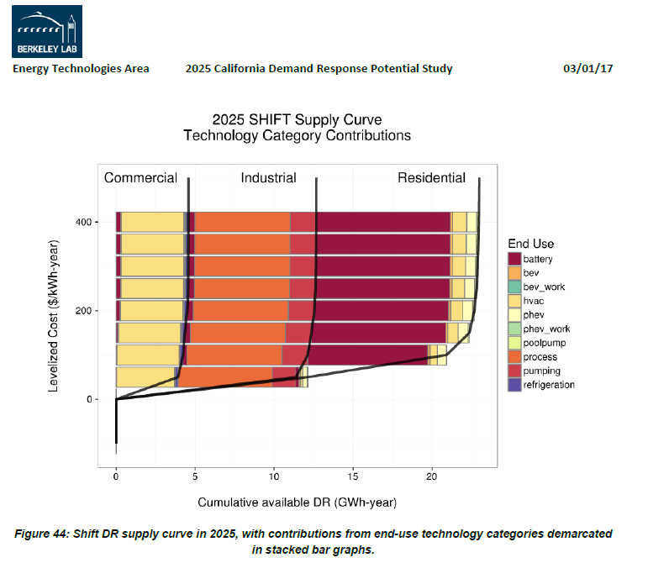
Estimated by visual approximations based on the graph below (Figure 44 from the LBNL Demand Response report)

Provider | Cum GWh/year | Share of DR
residential | 10 | 45.5%
commercial | 5 | 22.7%
industrial | 7 | 31.8%
summation | 22

In the EPS, the "industry" cash flow entity encompasses both industrial
facilities and commercial buildings, so we combine these into a single
entry:

residential | 45.5%
commercial & industrial | 54.5%

Estimated cost
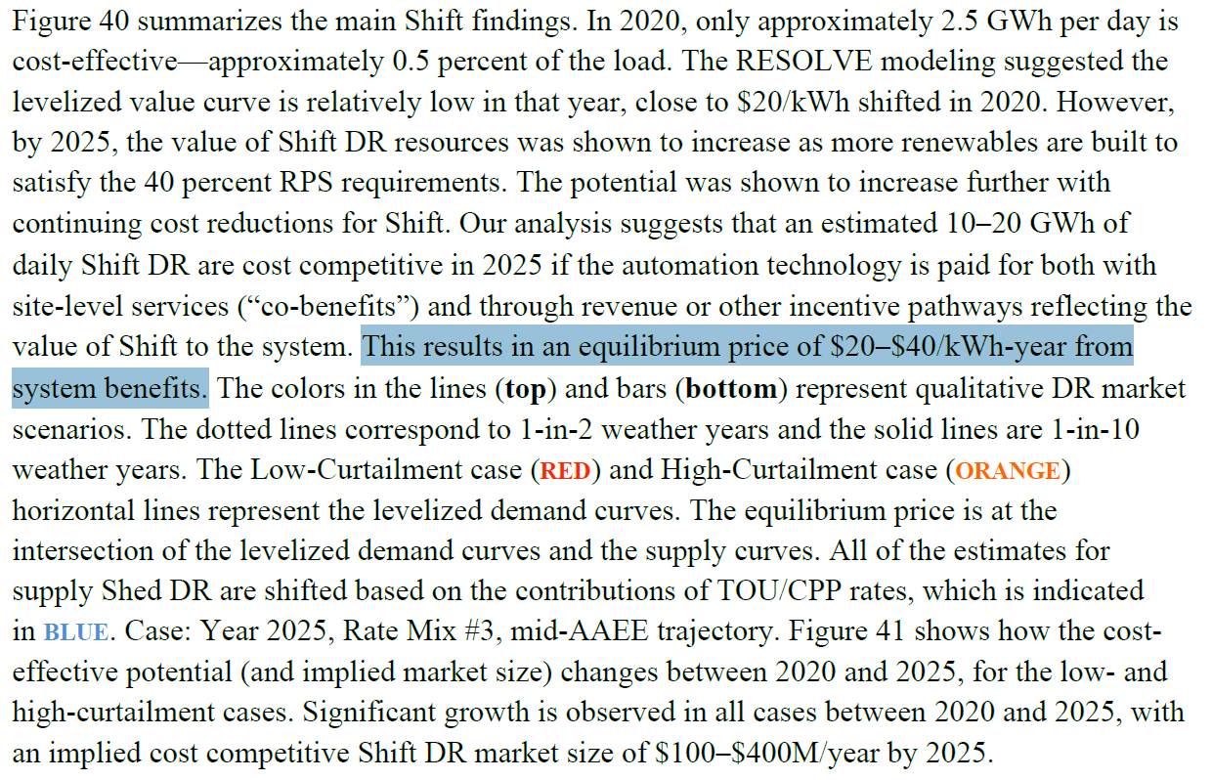
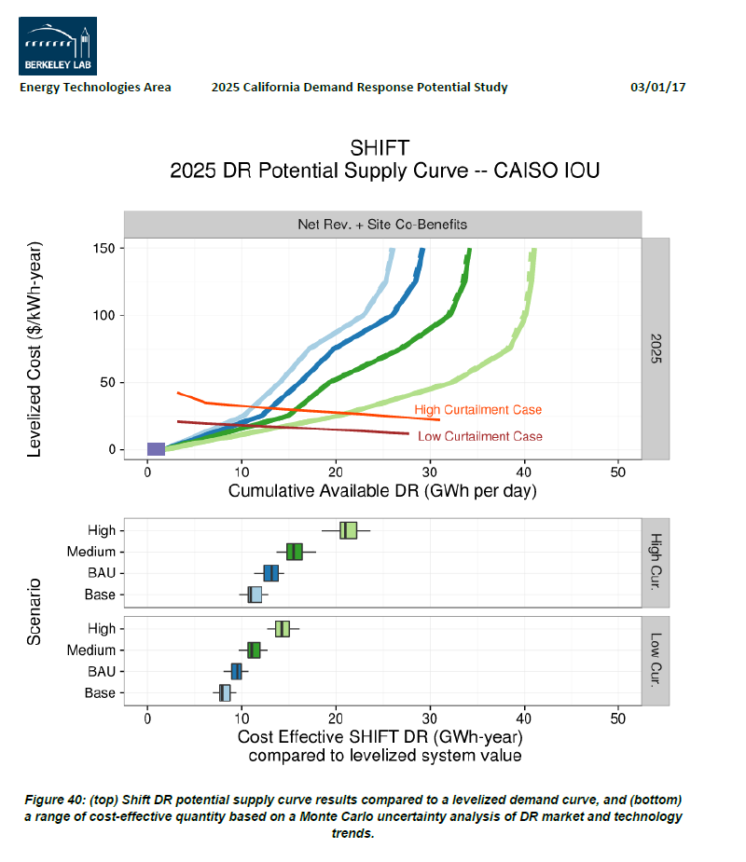
"This results in an equilibrium price of $20–$40/kWh-year from system benefits."
Per LBNL with larger excerpt shown below.
The upper bound of the range is used.

 | kWh-year | MWh-year
Estimated price in LBNL study | 30 | 30000

(2017 study, dollar values assumed current for that year, absent other indications.)

See the tab "Definition of kWh-year" for more on the meaning of these units.

